Import
©2025, Washington Alto. All rights reserved
Import | 0
Heart Class Definition | 0 | Lookup_Color | Lookup_LineStyle
 |  | Color | Line Style | Alpha
 |  | Blue | - | 0
Fancy Heart color | Blue | Green | -- | 0.2
FancyHeart Fill | FALSE | Red | -. | 0.4
FancyHeart Line Style | -- | Cyan | : | 0.6
FancyHeart Alpha | 0.4 | Magenta |  | 0.8
Fancy Heart Title | Blue Heart Without Fill | Yellow |  | 1
Fancy Heart instance |  | Black
 |  | White

Static Heart Figure
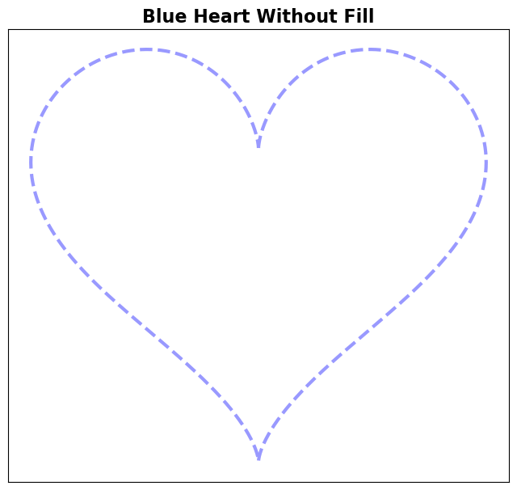
Options
Color | Blue | <== Select color from dropdown
Fill | FALSE | <== Check the checkbox to enable/disable fill
Line Style | -- | <== Select line style from dropdown
Alpha | 0.4 | <== Select alpha from dropdown

